AH Brothers
ISLAND / CITY:
OUTLET NAME: AH brothers | CONTACT NO:
OUTLET TYPE: HARDWARE | CONTACT PERSON:
OUTLET CODE: | Month : 2018
PRODUCT NAME | PRODUCT SPECIFICATION | Product code | May_2022 | Jun_2022 | Jul_2022 | Aug_2022 | Sep_2022 | Oct_2022 | Nov_2022 | Dec_2022 | Jan_2023 | Feb_2023 | Mar_2023 | Apr_2023 | May_2023 | Jun_2023 | Jul_2023 | Aug_2023 | Sep_2023 | Oct_2023 | Nov_2023 | Dec_2023 | Jan_2024 | Feb_2024 | Mar_2024 | Apr_2024 | May_2024 | Jun_2024 | Jul_2024 | Aug_2024 | Sep_2024 | Oct_2024 | Nov_2024 | Dec_2024 | Jan_2025 | Feb_2025 | Mar_2025 | Apr_2025 | May_2025 | Jun_2025
 |  |  | May_2022 | Jun_2022 | Jul_2022 | Aug_2022 | Sep_2022 | Oct_2022 | Nov_2022 | Dec_2022 | Jan_2023 | Feb_2023 | Mar_2023 | Apr_2023 | May_2023 | Jun_2023 | Jul_2023 | Aug_2023 | Sep_2023 | Oct_2023 | Nov_2023 | Dec_2023 | Jan_2024 | Feb_2024 | Mar_2024 | Apr_2024 | May_2024 | Jun_2024 | Jul_2024 | Aug_2024 | Sep_2024 | Oct_2024 | Nov_2024 | Dec_2024 | Jan_2025 | Feb_2025 | Mar_2025 | Apr_2025 | May_2025 | Jun_2025
Materials for the maintenance and repair of the dwelling (ND) | Product 1
Water-based paint | 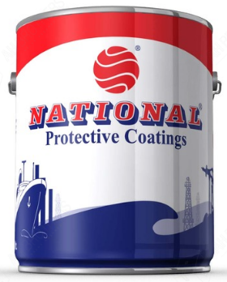 Type (indoor/outdoor; for wall/wood): White Under Coat Finish(gloss/mat): Number of units: 3.6 Unit of measure: litre Package type: Tin Brand: National Made in: Code: 17731 | 111|104|247|002 |  |  |  |  |  |  |  |  |  |  |  | 422.57 | 422.57 | 422.57 | 422.57 | 422.57 | 422.57 | 422.57 | 422.57 | 422.57 | 422.57 | 422.57 | 422.57 | 422.57 | 422.57 | 422.57 | 422.57 | 422.57 | 422.57 | 422.57 | 422.57 | 422.57 | 422.57 | 422.57 | 422.57 | 422.57 | 422.57 | 422.57
Scews/Nails/Door Hinge | 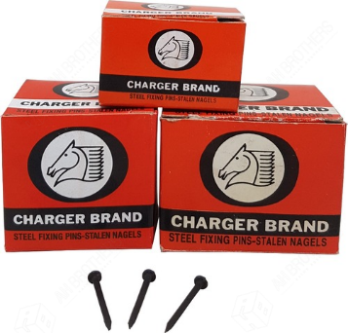 Type: Concrete Nail Black Number of units: 1 Unit of measure: Box Package type: Steel Other specification: 50 mm Made in: Code: 1996 | 111|104|248|001 | 36.10 | 36.10 | 36.10 | 36.10 | 36.10 | 36.10 | 36.10 | 36.10 | 37.10 | 37.10 | 37.10 | 37.10 | 37.80 | 37.80 | 37.80 | 37.80 | 37.80 | 37.80 | 37.80 | 37.80 | 37.80 | 37.80 | 37.80 | 37.80 | 37.80 | 37.80 | 37.80 | 37.80 | 37.80 | 37.80 | 37.80 | 37.80 | 37.80 | 37.80 | 37.80 | 37.80 | 37.80 | 37.80
Scews/Nails/Door Hinge | 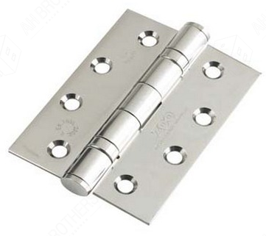 Type:Door Hinges, SS With Bearing Number of units: 1 Unit of measure: Piece Size: 6" x 30mm, 50mm (2") Material: Steel Made in: Code: 2824 | 111|104|248|002 | 158.00 | 158.00 | 158.00 | 158.00 | 158.00 | 158.00 | 158.00 | 158.00 | 160.00 | 160.00 | 160.00 | 160.00 | 160.00 | 160.00 | 160.00 | 160.00 | 160.00 | 160.00 | 160.00 | 160.00 | 160.00 | 160.00 | 160.00 | 160.00 | 160.00 | 160.00 | 160.00 | 160.00 | 160.00 | 160.00 | 160.00 | 160.00 | 160.00 | 160.00 | 160.00 | 160.00 | 160.00 | 160.00
Scews/Nails/Door Hinge | Type: Brass Screw - 3" Number of units: 1 Unit of measure: Piece Size:3 Inch Material:Brass,Flat Head, Bronz colour Made in: Code: 1936 | 111|104|248|003 | 3.50 | 3.50 | 3.50 | 3.50 | 3.50 | 3.50 | 3.50 | 3.50 | 3.82 | 3.82 | 3.82 | 3.82 | 3.82 | 3.82 | 3.82 | 3.82 | 3.82 | 3.82 | 3.82 | 3.82 | 3.82 | 3.82 | 3.82 | 3.82 | 3.82 | 3.82 | 3.82 | 3.82 | 3.82 | 3.82 | 3.82 | 3.82 | 3.89 | 3.89 | 3.89 | 3.89 | 3.89 | 3.89
Major tools and equipment (D)
Water pump | 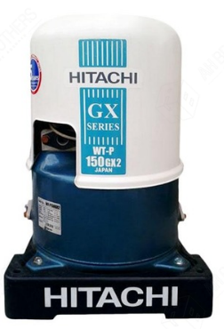 Type: pump Size of unit: 150 Unit of measure: watt Horse power: Material(cast iron/stainless steel): Voltage(V) Pressure(high/low): Model: WT-P150GX Brand: Hitachi Made in: japan Code: 3552 | 111|104|306|002 | 4200.00 | 4200.00 | 4200.00 | 4200.00 | 4200.00 | 4200.00 | 4200.00 | 4200.00 | 4995.00 | 4995.00 | 4995.00 | 4995.00 | 4995.00 | 4995.00 | 4995.00 | 4995.00 | 4995.00 | 4995.00 | 4995.00 | 4995.00 | 4995.00 | 4995.00 | 4995.00 | 4995.00 | 4995.00 | 4995.00 | 4995.00 | 4995.00 | 4995.00 | 4995.00 | 4995.00 | 4995.00 | 4995.00 | 4995.00 | 4995.00 | 4995.00 | 4995.00 | 4995.00
Small tools and miscellaneous accessories (SD)
Light Bulb | Type:(Compact Flourescent(CFL); light emitting diode (LED), etc.: Bulb Colour(warm/day light): Power(Wattage): Shape:(eg:tube/round/stick, etc.): Size(diameter; length): Packaging(eg:pack of 1 to 2; or sold individually): Size of unit: 23 Unit of measure: volt Model: E27-3U Brand: Philips Made in: Germany Code: 3279 | 111|104|309|002 | 120.00 | 120.00 | 120.00 | 120.00 | 120.00 | 120.00 | 120.00 | 120.00 |  | 80.00 | 80.00 | 80.00 | 80.00 | 80.00 | 80.00 | 80.00 | 80.00 | 80.00 | 80.00 | 80.00 | 80.00 | 80.00 | 80.00 | 80.00 | 80.00 | 80.00 | 80.00 | 80.00 | 80.00 | 80.00 | 80.00 | 80.00 | 80.00 | 80.00 | 80.00 | 80.00 | 80.00 | 80.00

